Markov model Inputs & Results
...
Green cells are editable
Parameter Variables |  |  | Strategy | Cost | Eff
 | 0.03 | discount_rate | Uninfected | 1534.372748 | 27.727423754
 | 0.7 | uSingleAmp | Infected | 136632.93324 | 23.813582245
 | 0.61 | uMultipleAmp
 | 0.72 | uHearingLoss
 | 0.06 | uNeuroDis | Category | Strategy | Cost | Incr. Cost | Eff | Incr. Eff | ICER | NMB | CE
 | 1 | uAlive | Undominated | Uninfected | 1534.372748 |  | 27.727423754 |  |  | 2771208.0026 | 55.337732117
 | 1 | uSkinScarring | Abs. dominated | Infected | 135981.10712 |  | 23.813567959 |  |  | 2245375.6888 | 5710.2365908
 | 7378 | cSkinScarring
 | 215356 | cSingleAmp
Cost-Effectiveness Analysis
 |  |  | Not Dominated
 | 88879 | cHearingLoss
 | 3241896 | cNeuroDis
 | 52868 | cAcute
 | 0.076 | pSkinScarring
 | 0.019 | pSingleAmp
 | 0.012 | pMultipleAmp
 | 0.064 | pHearingLoss
 | 0.021 | pNeuroDis
 | 0.093 | pDead
 | 0.0033 | uAcute
 | 9174 | cDead
 | 258427 | cMultipleAmp
 | 52868 | cAcute (Defined in node Recovered with no sequelae)
 | 0.0033 | uAcute (Defined in node Recovered with no sequelae)
 | 52868 | cAcute (Defined in node Recovered with skin scarring)
 | 7378 | cSkinScarring (Defined in node Recovered with skin scarring)
 | 1 | uSkinScarring (Defined in node Recovered with skin scarring)
 | 52868 | cAcute (Defined in node Recovered with single amputation)
 | 215356 | cSingleAmp (Defined in node Recovered with single amputation)
 | 0.7 | uSingleAmp (Defined in node Recovered with single amputation)
 | 52868 | cAcute (Defined in node Recovered with multiple amputation)
 | 258427 | cMultipleAmp (Defined in node Recovered with multiple amputation)
 | 0.61 | uMultipleAmp (Defined in node Recovered with multiple amputation)
 | 52868 | cAcute (Defined in node Recovered with hearing loss)
 | 88879 | cHearingLoss (Defined in node Recovered with hearing loss)
 | 0.72 | uHearingLoss (Defined in node Recovered with hearing loss)
 | 52868 | cAcute (Defined in node Recovered with neurologic disability)
 | 3241896 | cNeuroDis (Defined in node Recovered with neurologic disability)
 | 0.06 | uNeuroDis (Defined in node Recovered with neurologic disability)
 | 52868 | cAcute (Defined in node Dead)
 | 1 | uAlive (Defined in node Alive no sequelae)

1. Strategy Calcs
Strategy | 1 | Infected
States | All
...
 |  | Cohort State Proportions
Cycle |  | Recovered with no sequelae | Recovered with skin scarring | Recovered with single amputation | Recovered with multiple amputation
...
 | Recovered with no sequelae | Recovered with skin scarring | Recovered with single amputation | Recovered with multiple amputation | Recovered with hearing loss | Recovered with neurologic disability | Dead
 | 0.715 | 0.076 | 0.019 | 0.012 | 0.064 | 0.021 | 0.093
 | 0.7144887035 | 0.0759456524 | 0.0189864131 | 0.0119914188 | 0.0639542336 | 0.0208408179 | 0.0937927607
 | 0.71392032774 | 0.075885237634 | 0.018971309408 | 0.011981879626 | 0.063903358007 | 0.020665081871 | 0.094672805717
 | 0.7132915781 | 0.075818405505 | 0.018954601376 | 0.011971327185 | 0.06384707832 | 0.020472165066 | 0.095644844445
 | 0.71260503496 | 0.075745430289 | 0.018936357572 | 0.011959804783 | 0.063785625507 | 0.020263297802 | 0.096704449087
 | 0.7118803869 | 0.075668404761 | 0.01891710119 | 0.011947642857 | 0.063720761904 | 0.020109699978 | 0.097756002409
 | 0.71114458733 | 0.075590193898 | 0.018897548475 | 0.011935293773 | 0.063654900125 | 0.019957266441 | 0.098820209956
 | 0.71041737088 | 0.075512895366 | 0.018878223841 | 0.011923088742 | 0.063589806624 | 0.019788980784 | 0.099889633766
 | 0.7097048933 | 0.075437163483 | 0.018859290871 | 0.011911131076 | 0.063526032407 | 0.019604242732 | 0.10095724613
 | 0.7090026403 | 0.07536251841 | 0.018840629602 | 0.011899345012 | 0.063463173398 | 0.019404230446 | 0.10202746283
 | 0.70830604521 | 0.075288474736 | 0.018822118684 | 0.011887653906 | 0.06340082083 | 0.019257144439 | 0.1030377422
 | 0.70760623884 | 0.075214089723 | 0.018803522431 | 0.011875908904 | 0.063338180819 | 0.019111173358 | 0.10405088593
 | 0.70689481152 | 0.075138469477 | 0.018784617369 | 0.011863968865 | 0.063274500612 | 0.018950022211 | 0.10509360994
 | 0.70616663918 | 0.075061069339 | 0.018765267335 | 0.01185174779 | 0.063209321549 | 0.018773116174 | 0.10617283863
 | 0.70541810254 | 0.074981504606 | 0.018745376151 | 0.011839184938 | 0.063142319668 | 0.018581583456 | 0.10729192864
 | 0.70464291859 | 0.07489910743 | 0.018724776858 | 0.011826174857 | 0.063072932573 | 0.018440733195 | 0.1083933565
 | 0.70383532734 | 0.074813265563 | 0.018703316391 | 0.011812620878 | 0.063000644685 | 0.018300950593 | 0.10953387455
 | 0.70298995073 | 0.07472340735 | 0.018680851838 | 0.011798432739 | 0.062924974611 | 0.018162227558 | 0.11072015518
 | 0.70210109023 | 0.074628927074 | 0.018657231768 | 0.011783514801 | 0.062845412273 | 0.018082041323 | 0.11190178253
 | 0.70115999393 | 0.07452889446 | 0.018632223615 | 0.011767720178 | 0.062761174282 | 0.017993658113 | 0.11315633542
 | 0.70015488108 | 0.07442205729 | 0.018605514322 | 0.011750851151 | 0.062671206139 | 0.017897537791 | 0.11449795223
 | 0.69907076126 | 0.074306822176 | 0.018576705544 | 0.011732656133 | 0.062574166043 | 0.017826506043 | 0.1159123828
 | 0.6978925474 | 0.074181585458 | 0.018545396365 | 0.011712881914 | 0.062468703544 | 0.017747802019 | 0.1174510833
 | 0.69661149584 | 0.07404541774 | 0.018511354435 | 0.011691381748 | 0.062354035992 | 0.017661052537 | 0.11912526171
 | 0.6952185515 | 0.073897356523 | 0.018474339131 | 0.011668003661 | 0.062229352861 | 0.017566708961 | 0.12094568737
 | 0.69369755235 | 0.073735683886 | 0.018433920972 | 0.011642476403 | 0.062093207483 | 0.017496990206 | 0.1229001687
 | 0.69203288633 | 0.073558740365 | 0.018389685091 | 0.011614537952 | 0.061944202413 | 0.017419740995 | 0.12504020685
 | 0.69021387789 | 0.073365391216 | 0.018341347804 | 0.011584009139 | 0.061781382077 | 0.017334595043 | 0.12737939683
 | 0.68823717437 | 0.073155280072 | 0.018288820018 | 0.011550833696 | 0.061604446377 | 0.017241995369 | 0.1299214501
 | 0.68609889029 | 0.072927993933 | 0.018231998483 | 0.01151494641 | 0.061413047522 | 0.017173565338 | 0.13263955802
 | 0.68378714869 | 0.07268227035 | 0.018170567588 | 0.01147614795 | 0.0612061224 | 0.017097744047 | 0.13557999898
 | 0.68128387232 | 0.072416187826 | 0.018104046957 | 0.01143413492 | 0.060982052907 | 0.017014171984 | 0.13876553309
 | 0.67856990988 | 0.072127710701 | 0.018031927675 | 0.0113885859 | 0.060739124801 | 0.016923283979 | 0.14221945706
 | 0.6756270879 | 0.071814907245 | 0.017953726811 | 0.011339195881 | 0.060475711364 | 0.016856118849 | 0.14593325195
 | 0.6724456275 | 0.071476738028 | 0.017869184507 | 0.011285800741 | 0.060190937287 | 0.016781699085 | 0.14995001285
 | 0.66902200508 | 0.071112828512 | 0.017778207128 | 0.011228341344 | 0.059884487168 | 0.016699671818 | 0.15427445895
 | 0.66535971172 | 0.070723549777 | 0.017680887444 | 0.011166876281 | 0.059556673497 | 0.016610463841 | 0.15890183744
 | 0.66145864119 | 0.070308890533 | 0.017577222633 | 0.011101403768 | 0.059207486764 | 0.016544540232 | 0.16380181487
 | 0.65730818666 | 0.069867723337 | 0.017466930834 | 0.01103174579 | 0.058835977547 | 0.016510979632 | 0.1689784562
 | 0.65288732899 | 0.06939781399 | 0.017349453498 | 0.010957549577 | 0.058440264413 | 0.016473899274 | 0.17449369026
 | 0.64817328661 | 0.068896740954 | 0.017224185238 | 0.010878432782 | 0.058018308172 | 0.016433465736 | 0.18037558051
 | 0.64313535974 | 0.068361241035 | 0.017090310259 | 0.010793880163 | 0.057567360871 | 0.01640013045 | 0.18665171748
 | 0.63774003289 | 0.067787751748 | 0.016946937937 | 0.010703329223 | 0.057084422524 | 0.016363299037 | 0.19337422664
 | 0.63194897075 | 0.067172198289 | 0.016793049572 | 0.010606136572 | 0.056566061717 | 0.016323136956 | 0.20059044615
 | 0.62573097204 | 0.066511264161 | 0.01662781604 | 0.010501778552 | 0.05600948561 | 0.016290025473 | 0.20832865812
 | 0.61906236936 | 0.065802433666 | 0.016450608416 | 0.010389857947 | 0.055412575719 | 0.016253441334 | 0.21662871356
 | 0.61192235161 | 0.065043494717 | 0.016260873679 | 0.010270025482 | 0.054773469235 | 0.016213548887 | 0.22551623639
 | 0.60427858475 | 0.064231010407 | 0.016057752602 | 0.010141738485 | 0.054089271922 | 0.016180659703 | 0.23502098213
 | 0.59606069814 | 0.063357500781 | 0.015839375195 | 0.010003815913 | 0.053353684868 | 0.016144321178 | 0.24524060393
 | 0.58728531372 | 0.062424732647 | 0.015606183162 | 0.0098565367338 | 0.052568195913 | 0.016104696556 | 0.25615434127
...
0 |  | 0.715 | 0.076 | 0.019 | 0.012
1 |  | 0.7144887035 | 0.0759456524 | 0.0189864131 | 0.0119914188
2 |  | 0.71392032774 | 0.075885237634 | 0.018971309408 | 0.011981879626
3 |  | 0.7132915781 | 0.075818405505 | 0.018954601376 | 0.011971327185
4 |  | 0.71260503496 | 0.075745430289 | 0.018936357572 | 0.011959804783
5 |  | 0.7118803869 | 0.075668404761 | 0.01891710119 | 0.011947642857
6 |  | 0.71114458733 | 0.075590193898 | 0.018897548475 | 0.011935293773
7 |  | 0.71041737088 | 0.075512895366 | 0.018878223841 | 0.011923088742
8 |  | 0.7097048933 | 0.075437163483 | 0.018859290871 | 0.011911131076
9 |  | 0.7090026403 | 0.07536251841 | 0.018840629602 | 0.011899345012
10 |  | 0.70830604521 | 0.075288474736 | 0.018822118684 | 0.011887653906
11 |  | 0.70760623884 | 0.075214089723 | 0.018803522431 | 0.011875908904
12 |  | 0.70689481152 | 0.075138469477 | 0.018784617369 | 0.011863968865
13 |  | 0.70616663918 | 0.075061069339 | 0.018765267335 | 0.01185174779
14 |  | 0.70541810254 | 0.074981504606 | 0.018745376151 | 0.011839184938
15 |  | 0.70464291859 | 0.07489910743 | 0.018724776858 | 0.011826174857
16 |  | 0.70383532734 | 0.074813265563 | 0.018703316391 | 0.011812620878
17 |  | 0.70298995073 | 0.07472340735 | 0.018680851838 | 0.011798432739
18 |  | 0.70210109023 | 0.074628927074 | 0.018657231768 | 0.011783514801
19 |  | 0.70115999393 | 0.07452889446 | 0.018632223615 | 0.011767720178
20 |  | 0.70015488108 | 0.07442205729 | 0.018605514322 | 0.011750851151
21 |  | 0.69907076126 | 0.074306822176 | 0.018576705544 | 0.011732656133
22 |  | 0.6978925474 | 0.074181585458 | 0.018545396365 | 0.011712881914
23 |  | 0.69661149584 | 0.07404541774 | 0.018511354435 | 0.011691381748
24 |  | 0.6952185515 | 0.073897356523 | 0.018474339131 | 0.011668003661
25 |  | 0.69369755235 | 0.073735683886 | 0.018433920972 | 0.011642476403
26 |  | 0.69203288633 | 0.073558740365 | 0.018389685091 | 0.011614537952
27 |  | 0.69021387789 | 0.073365391216 | 0.018341347804 | 0.011584009139
28 |  | 0.68823717437 | 0.073155280072 | 0.018288820018 | 0.011550833696
29 |  | 0.68609889029 | 0.072927993933 | 0.018231998483 | 0.01151494641
30 |  | 0.68378714869 | 0.07268227035 | 0.018170567588 | 0.01147614795
31 |  | 0.68128387232 | 0.072416187826 | 0.018104046957 | 0.01143413492
32 |  | 0.67856990988 | 0.072127710701 | 0.018031927675 | 0.0113885859
33 |  | 0.6756270879 | 0.071814907245 | 0.017953726811 | 0.011339195881
34 |  | 0.6724456275 | 0.071476738028 | 0.017869184507 | 0.011285800741
35 |  | 0.66902200508 | 0.071112828512 | 0.017778207128 | 0.011228341344
36 |  | 0.66535971172 | 0.070723549777 | 0.017680887444 | 0.011166876281
37 |  | 0.66145864119 | 0.070308890533 | 0.017577222633 | 0.011101403768
...

2. Strategy Calcs
Strategy | 2 | Uninfected
States | All
...
 |  | Cohort State Proportions
Cycle |  | Alive no sequelae | Dead | Payoff 1 - Cost
 |  |  |  | No Discount | Discounted

 | Alive no sequelae | Dead
 | 1 | 0
 | 0.9992849 | 0.0007151
 | 0.99848996886 | 0.0015100311379
 | 0.99761059875 | 0.0023894012535
 | 0.99665039855 | 0.0033496014548
 | 0.99563690475 | 0.0043630952451
 | 0.99460781445 | 0.0053921855499
 | 0.9935907285 | 0.0064092715009
 | 0.99259425636 | 0.0074057436425
 | 0.99161208434 | 0.0083879156592
 | 0.99063782547 | 0.0093621745321
 | 0.9896590753 | 0.010340924704
 | 0.98866407206 | 0.011335927938
 | 0.9876456492 | 0.012354350799
 | 0.98659874481 | 0.013401255187
 | 0.98551457145 | 0.014485428547
 | 0.9843850732 | 0.015614926798
 | 0.98320272829 | 0.016797271709
 | 0.98195956676 | 0.018040433239
 | 0.98064334816 | 0.019356651842
 | 0.97923759592 | 0.020762404082
 | 0.97772134442 | 0.022278655575
 | 0.97607349287 | 0.023926507129
 | 0.97428181237 | 0.025718187633
 | 0.97233363846 | 0.027666361545
 | 0.97020636692 | 0.029793633079
 | 0.9678781627 | 0.032121837298
 | 0.96533409495 | 0.034665905048
 | 0.96256947464 | 0.037430525363
 | 0.95957886754 | 0.040421132463
 | 0.9563456625 | 0.0436543375
 | 0.95284457666 | 0.047155423336
 | 0.94904882501 | 0.050951174991
 | 0.94493299006 | 0.055067009935
 | 0.94048339511 | 0.059516604892
 | 0.935695112 | 0.064304888002
 | 0.93057302339 | 0.069426976615
 | 0.92511698069 | 0.074883019308
 | 0.91931214917 | 0.080687850827
 | 0.91312913145 | 0.086870868548
 | 0.90653606518 | 0.093463934816
 | 0.89949001362 | 0.10050998638
 | 0.89194410194 | 0.10805589806
 | 0.88384471433 | 0.11615528567
 | 0.87514821265 | 0.12485178735
 | 0.8658214956 | 0.1341785044
 | 0.8558354568 | 0.1441645432
 | 0.84514487378 | 0.15485512622
 | 0.83365132607 | 0.16634867393
 | 0.82137806115 | 0.17862193885
...
0 |  | 1 | 0 | 6.5603274 | 6.5603274
1 |  | 0.9992849 | 0.0007151 | 7.2926982596 | 7.0802895724
2 |  | 0.99848996886 | 0.0015100311379 | 8.0673414403 | 7.6042430392
3 |  | 0.99761059875 | 0.0023894012535 | 8.8088766467 | 8.0613699915
4 |  | 0.99665039855 | 0.0033496014548 | 9.297792032 | 8.2609677947
5 |  | 0.99563690475 | 0.0043630952451 | 9.4408744558 | 8.1437812379
6 |  | 0.99460781445 | 0.0053921855499 | 9.330746515 | 7.8143533094
7 |  | 0.9935907285 | 0.0064092715009 | 9.1416354271 | 7.4329861656
8 |  | 0.99259425636 | 0.0074057436425 | 9.0104460809 | 7.1129293415
9 |  | 0.99161208434 | 0.0083879156592 | 8.9378508997 | 6.8501184807
10 |  | 0.99063782547 | 0.0093621745321 | 8.9790540739 | 6.6812594979
11 |  | 0.9896590753 | 0.010340924704 | 9.1281596715 | 6.5943767629
12 |  | 0.98866407206 | 0.011335927938 | 9.3430113234 | 6.5530001627
13 |  | 0.9876456492 | 0.012354350799 | 9.6043008569 | 6.5400615382
14 |  | 0.98659874481 | 0.013401255187 | 9.9462064108 | 6.5756141586
15 |  | 0.98551457145 | 0.014485428547 | 10.362016949 | 6.6509843776
16 |  | 0.9843850732 | 0.015614926798 | 10.846832217 | 6.7593872331
17 |  | 0.98320272829 | 0.016797271709 | 11.404763873 | 6.9000697042
18 |  | 0.98195956676 | 0.018040433239 | 12.074989467 | 7.0927836997
19 |  | 0.98064334816 | 0.019356651842 | 12.896371046 | 7.3546202041
20 |  | 0.97923759592 | 0.020762404082 | 13.910091202 | 7.7016802368
21 |  | 0.97772134442 | 0.022278655575 | 15.117390155 | 8.1263421317
22 |  | 0.97607349287 | 0.023926507129 | 16.436876939 | 8.5782828125
23 |  | 0.97428181237 | 0.025718187633 | 17.872547469 | 9.0558723258
24 |  | 0.97233363846 | 0.027666361545 | 19.515589055 | 9.6003766406
25 |  | 0.97020636692 | 0.029793633079 | 21.358945502 | 10.201151325
26 |  | 0.9678781627 | 0.032121837298 | 23.339277545 | 10.82229994
27 |  | 0.96533409495 | 0.034665905048 | 25.362626766 | 11.417976995
28 |  | 0.96256947464 | 0.037430525363 | 27.435829542 | 11.991563297
29 |  | 0.95957886754 | 0.040421132463 | 29.661423003 | 12.586716952
30 |  | 0.9563456625 | 0.0436543375 | 32.118961458 | 13.23258685
31 |  | 0.95284457666 | 0.047155423336 | 34.822225688 | 13.928442641
32 |  | 0.94904882501 | 0.050951174991 | 37.758669779 | 14.663089835
33 |  | 0.94493299006 | 0.055067009935 | 40.820584135 | 15.390431626
34 |  | 0.94048339511 | 0.059516604892 | 43.927709247 | 16.079513927
35 |  | 0.935695112 | 0.064304888002 | 46.990040932 | 16.69948041
36 |  | 0.93057302339 | 0.069426976615 | 50.053735669 | 17.270161801
37 |  | 0.92511698069 | 0.074883019308 | 53.253524353 | 17.839021991
...

State Trans Diag
State Transition Diagram of Strategy: | Infected | Tree Diagram
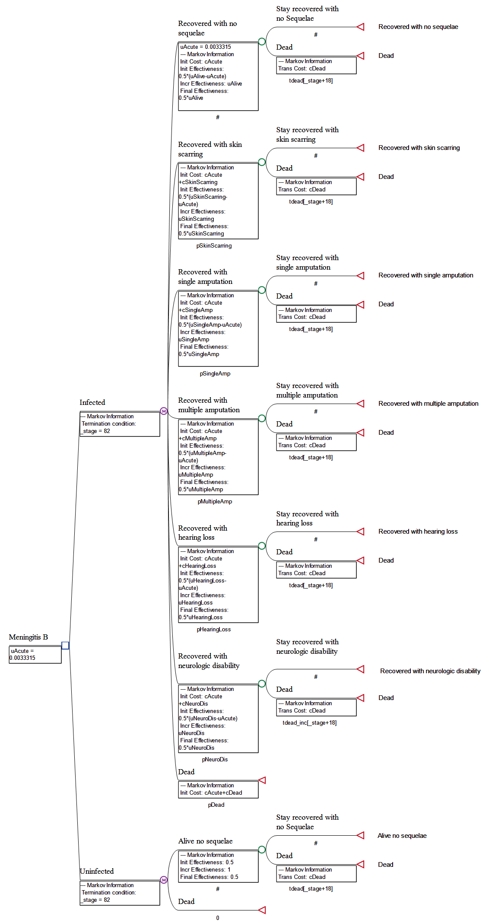
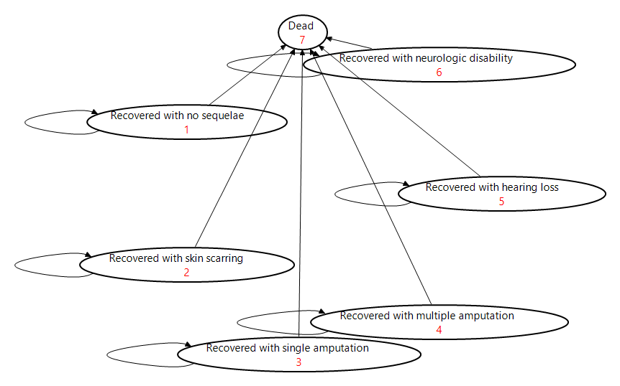

State Transition Diagram of Strategy: | Uninfected

